Sheet1
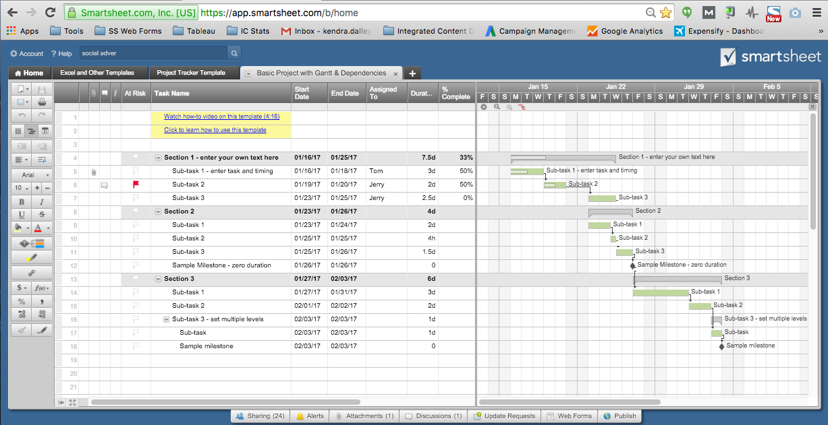
Gantt Chart Template for Excel

Task Name | Start | End | Duration (days)

Task 1 | 2015-01-16 | 2015-01-21 | 5
Task 2 | 2015-01-22 | 2015-01-23 | 1
Task 3 | 2015-01-22 | 2015-01-28 | 6
Task 4 | 2015-01-27 | 2015-01-29 | 2
Task 5 | 2015-01-28 | 2015-02-04 | 7
Task 6 | 2015-02-05 | 2015-02-09 | 4
Task 7 | 2015-01-28 | 2015-02-05 | 8
Task 8 | 2015-02-04 | 2015-02-06 | 2
Task 9 | 2015-02-07 | 2015-02-10 | 3
Task 10 | 2015-02-09 | 2015-02-12 | 3
Task 11 | 2015-02-11 | 2015-02-14 | 3
Task 12 | 2015-02-15 | 2015-02-17 | 2

Make A Gantt Chart in Smartsheet

 | `

